Results
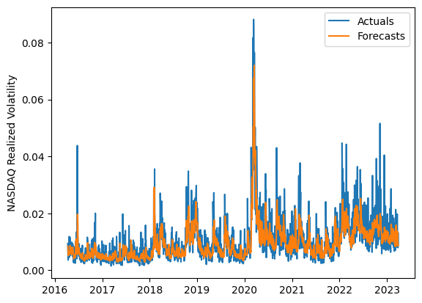
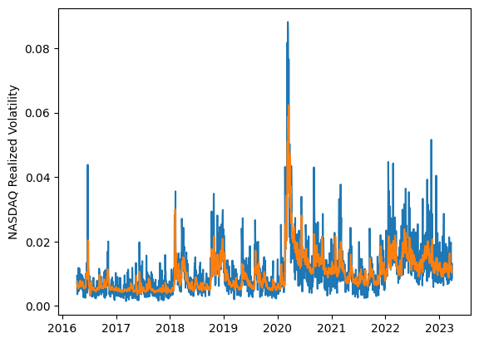
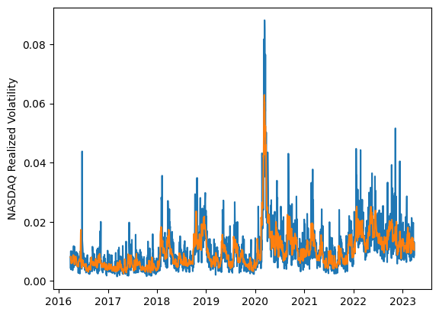
 | LSTM |  |  | TCN |  |  | NBEATSx |  |  |  |  | LSTM |  |  | TCN |  |  | NBEATSx
 | Accuracy | RMSE | Qlike | Accuracy | RMSE | Qlike | Accuracy | RMSE | Qlike |  |  | Accuracy | RMSE | Qlike | Accuracy | RMSE | Qlike | Accuracy | RMSE | Qlike
Trial 1 | 67.61% | 0.33% | 0.083 | 66.27% | 0.371% | 0.097 | 62.90% | 0.348% | 0.101 |  | Mean | 60.83% | 0.357% | 0.107 | 63.26% | 0.366% | 0.102 | 62.68% | 0.352% | 0.101
Trial 2 | 67.46% | 0.33% | 0.083 | 63.66% | 0.370% | 0.103 | 62.96% | 0.351% | 0.102 |  | Standard Deviation | 6.41% | 0.023% | 0.021 | 2.19% | 0.015% | 0.007 | 0.70% | 0.003% | 0.003
Trial 3 | 61.93% | 0.34% | 0.097 | 65.20% | 0.366% | 0.096 | 62.69% | 0.350% | 0.099 |  | 95% CI upper bound | 73.65% | 0.403% | 0.149 | 67.63% | 0.396% | 0.116 | 64.07% | 0.357% | 0.107
Trial 4 | 67.48% | 0.34% | 0.090 | 62.88% | 0.348% | 0.097 | 62.23% | 0.351% | 0.099 |  | 95% CI lower bound | 48.00% | 0.310% | 0.064 | 58.89% | 0.337% | 0.088 | 61.29% | 0.346% | 0.095
Trial 5 | 54.74% | 0.36% | 0.124 | 63.98% | 0.344% | 0.094 | 62.43% | 0.354% | 0.102 |  | 99.7% CI upper bound | 80.06% | 0.426% | 0.171 | 69.82% | 0.411% | 0.123 | 64.77% | 0.360% | 0.110
Trial 6 | 63.45% | 0.36% | 0.102 | 62.88% | 0.355% | 0.099 | 62.94% | 0.355% | 0.105 |  | 99.7% CI lower bound | 41.59% | 0.287% | 0.042 | 56.71% | 0.322% | 0.080 | 60.59% | 0.344% | 0.092
Trial 7 | 64.30% | 0.34% | 0.091 | 61.38% | 0.358% | 0.106 | 61.28% | 0.353% | 0.096
Trial 8 | 67.78% | 0.36% | 0.099 | 57.80% | 0.378% | 0.120 | 62.48% | 0.353% | 0.098
Trial 9 | 49.90% | 0.42% | 0.142 | 65.51% | 0.396% | 0.103 | 63.53% | 0.350% | 0.104
Trial 10 | 51.59% | 0.38% | 0.139 | 65.43% | 0.353% | 0.091 | 62.98% | 0.353% | 0.102
Trial 11 | 63.64% | 0.35% | 0.095 | 61.30% | 0.359% | 0.104 | 63.41% | 0.346% | 0.096
Trial 12 | 62.67% | 0.35% | 0.096 | 63.31% | 0.367% | 0.100 | 61.49% | 0.355% | 0.101
Trial 13 | 57.38% | 0.36% | 0.115 | 61.68% | 0.377% | 0.109 | 62.07% | 0.355% | 0.101
Trial 14 | 50.48% | 0.38% | 0.146 | 65.05% | 0.391% | 0.106 | 63.17% | 0.351% | 0.105
Trial 15 | 61.97% | 0.34% | 0.098 | 62.61% | 0.362% | 0.103 | 63.64% | 0.350% | 0.104

 | LSTM (best trial) |  |  |  |  |  |  |  |  | TCN (best trial) |  |  |  |  |  |  |  |  | NBEATSx (best trial)

